SOPsv1
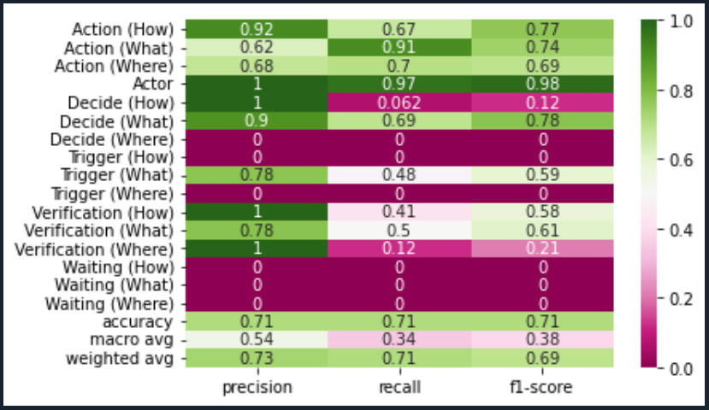
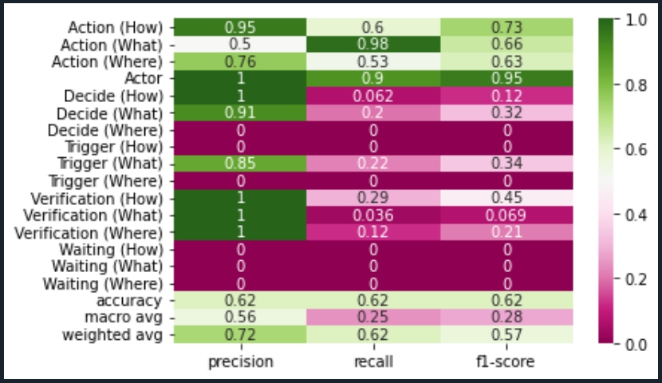
Dataset: | SOPsv1 |  | Comments:
Test: | 30% |  | Dataset is the original data provided by annotated documents from client and team.
Records: | 2955
Algorithm: |  | en_stsb_roberta_large

# Labels by Category |  |  | Len of Text

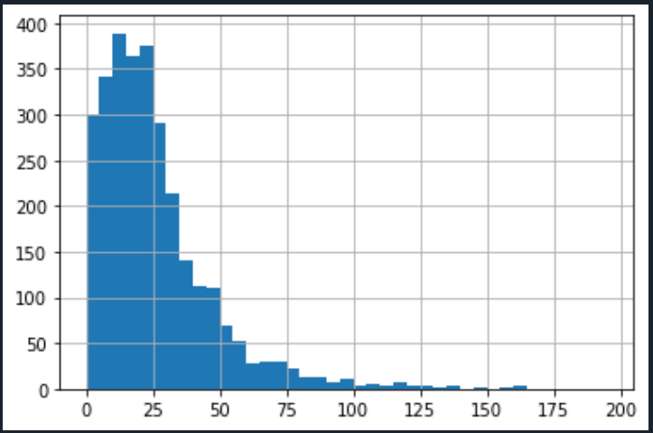
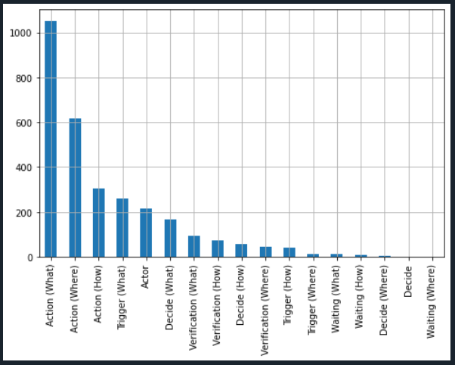

Support Vector Classifier |  |  | Random Forest Classifier

SOPsv2
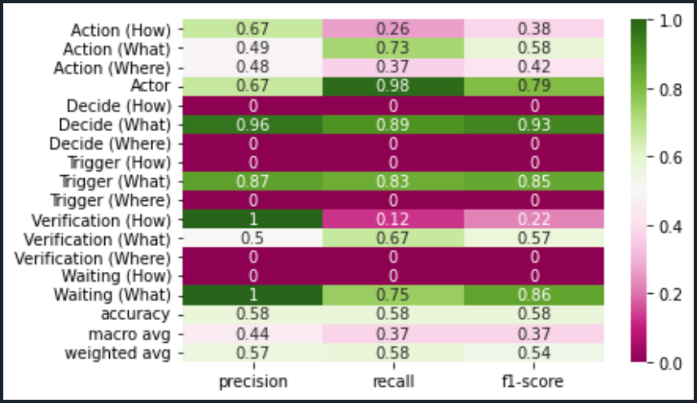
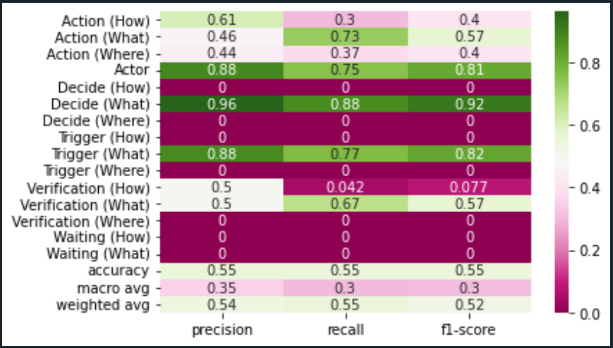
Dataset: | SOPsv3 |  | Comments:
Test: | 30% |  | Dataset is considering all labels with algoritm applied to the first string of the text.
Records: | 2969
Algorithm: |  | en_stsb_roberta_large

# Labels by Category |  |  | Len of Text
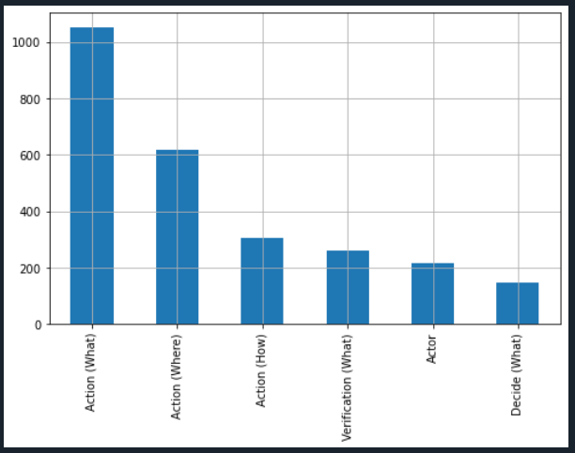
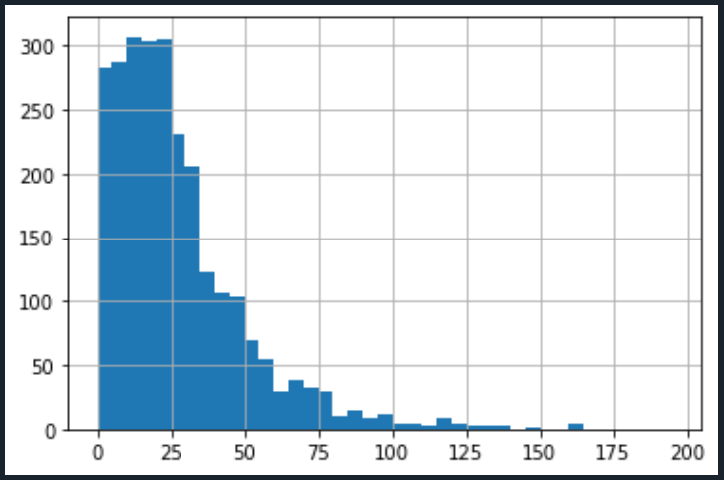

Support Vector Classifier |  |  | Random Forest Classifier

SOPsv3
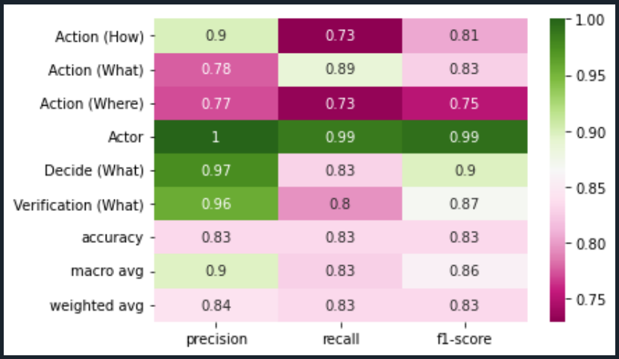
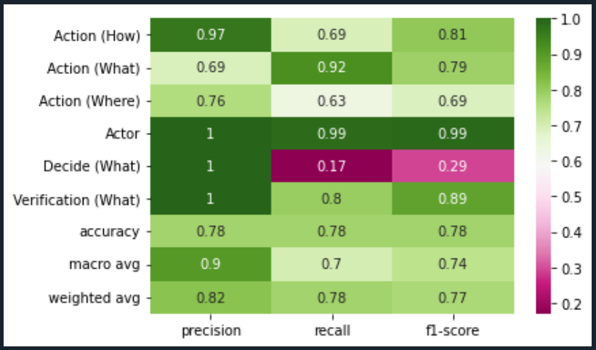
Dataset: | SOPsv3 |  | Comments:
Test: | 30% |  | Dataset is considering Action labels and Actors plus conditional lables Decide (What) and Verification (What)
Records: | 2595
Algorithm: |  | en_stsb_roberta_large

# Labels by Category |  |  | Len of Text

Support Vector Classifier |  |  | Random Forest Classifier

SOPsv4
 | Dataset: | SOPsv1 |  | Comments:
 | Test: | 30% |  | Dataset is considering all labels with algoritm applied to the first string of the text plus the normal algorithm.
 | Records: | 2969
 | Algorithm: |  | en_stsb_roberta_large

 | # Labels by Category |  |  | Len of Text

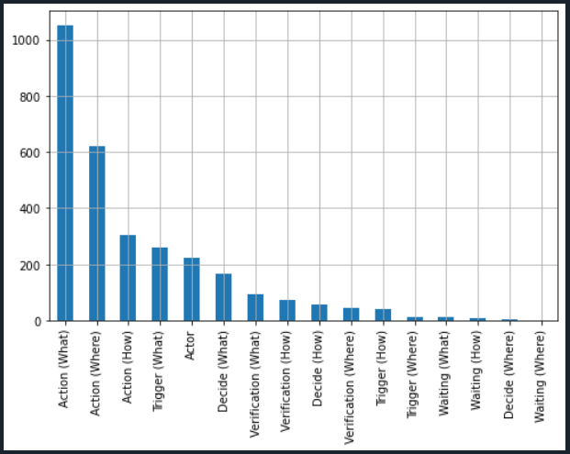


 | Support Vector Classifier |  |  | Random Forest Classifier
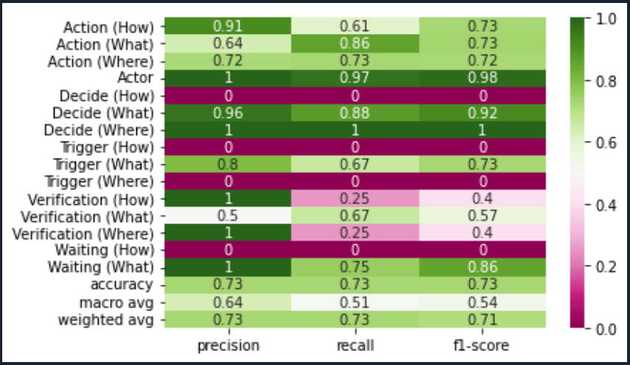
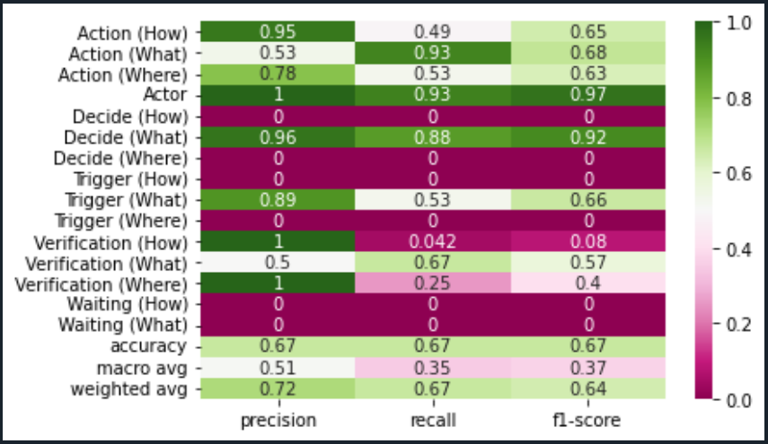

GG

SOPsv5
 | Dataset: | SOPsv1 |  | Comments:
 | Test: | 30% |  | Dataset is considering all labels with algoritm applied to the first string of the text plus the normal algorithm. Action how condition added.
 | Records: | 2969
 | Algorithm: |  | en_stsb_roberta_large

 | # Labels by Category |  |  | Len of Text

 | Support Vector Classifier |  |  | Random Forest Classifier
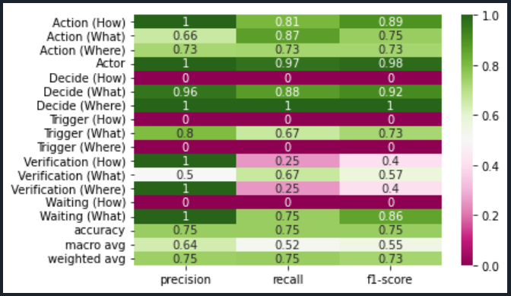

GG

